Trip 1
Trip 1 Information On Demand Screen

 |  |  |  |  |  |  | SYNC preliminary graphic | Cluster Graphic
 |  |  |  |  |  |  |  | Lx
 |  |  |  |  |  |  |  | Non xEV
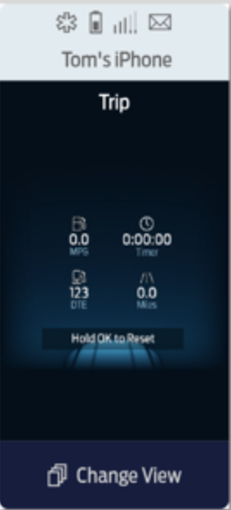
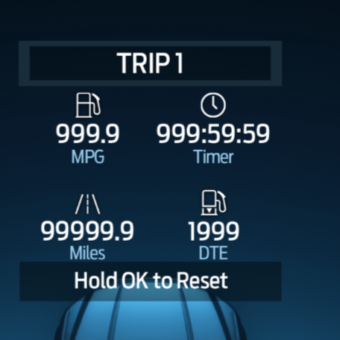
 | 1 | System Interface (DI Core)

IPC
SYNC

 |  |  |  |  |  |  |  | xEV Example
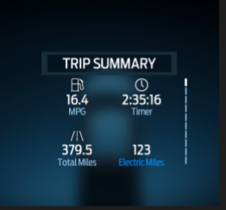

 | 1 | Power Assumptions
 |  | a) | Shown in Ignition RUN or RUN/START
 |  | b) | In ignition OFF/ACC would be greyed out

 | 1 | Display Elements

 |  | a) | Trip 1
 |  |  | i) | Trip Distance (shall be shown on bottom left)
 |  |  |  | 1) | Display in Miles or Kilometers depending on Customer setting. Default will match unit of major scale of Speedometer
 |  |  |  | 2) | Total Digits to protect for: XXXZ.Z (non xEV application) and XXXZ (xEV applications)
 |  |  |  | 3) | Initial value and after a RESET, value shown as 0.0
 |  |  |  | 4) | Units are translatable
 |  |  |  | 5) | For xEV, label would be shown as "Total unit"
 |  |  |  | 6) | For Non xEV. Label would be "unit"

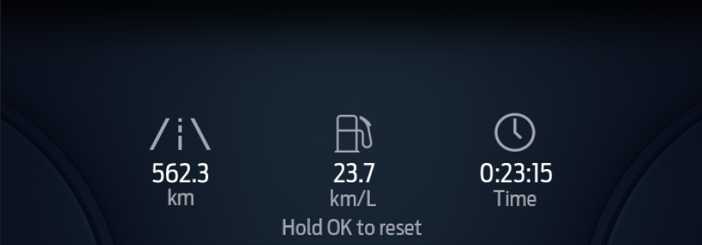
 |  |  | ii) | Trip Timer (shown in upper right position) |  |  |  | L2
 |  |  |  | 1) | Shown in hours: minutes:seconds format
 |  |  |  | 2) | Display in digits of XZZ:ZZ:ZZ Units (if X is a leading zero, it is omitted)
 |  |  |  | 3) | Initial value and after a RESET, value shown as 00:00:00
 |  |  |  | 4) | Label would be shown as "Timer"

 |  |  | iii) | Trip Average Fuel Economy (shown on upper left position)
 |  |  |  | 1) | Display in MPG or km/L or 100 L/km depending on Customer setting
 |  |  |  | 2) | Total Digits to protect for: XZ.Z (non xEV application) and XZ (xEV applications)
 |  |  |  | 3) | Initial value and after a RESET, value shown as 0.0
 |  |  |  | 4) | Units are translatable
 |  |  |  | 5) | For xEV this would be shown as "unit (total)"
 |  |  |  | 6) | For Non xEV. Label would be "unit"
 |  |  |  |  |  |  |  | L1
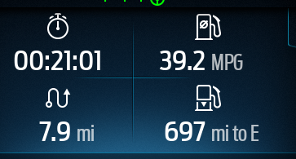
 |  |  | vi) | Distance to Empty (shown in bottom right position)
 |  |  |  | 1) | Total Digits to protect for: XXXZ
 |  |  |  | 2) | No leading zeros
 |  |  |  | 3) | Support "mi to Empty" or "km to Empty" depending on which unit is selected (ie tied to global unit setting)
 |  |  |  | 4) | Units are translatable
 |  |  |  | 5) | For xEV this would be shown as "Electric unit" (text in blue). Units are in km or mi
 |  |  |  | 6) | No icon is associated to "Electric unit"

 |  |  | v) | Method to Reset Trip 1 values
 |  |  |  | 1) | Configurable item. Some programs will have the ability to Reset IOD via SYNC others will not.
 |  |  |  |  | a) | P702 SYNC will not Reset IoD (due to IoD also in the cluster which will have the Reset)
 |  |  |  |  | b) | C727 SYNC will Reset IoD(due to no IoD in cluster)

 | 2 | Reference Cluster STSS
 |  | a) | Trip Computer - HMI
 |  |  | https://www.vsemweb.ford.com/tc/launchapp?-attach=true&-s=226TCSession&-o=yXZRkRq2x3NrTDAAAAAAAAAAAAA&servername=Production_Server

 |  | b) | Trip Computer - Odometers
 |  |  | https://www.vsemweb.ford.com/tc/launchapp?-attach=true&-s=226TCSession&-o=iTaRkRq2x3NrTDAAAAAAAAAAAAA&servername=Production_Server

 |  | c) | Trip Computer - Average Fuel Economy
 |  |  | https://www.vsemweb.ford.com/tc/launchapp?-attach=true&-s=226TCSession&-o=TcXRkRq2x3NrTDAAAAAAAAAAAAA&servername=Production_Server

 | 3 | CAN Data |  |  | (SYNC)

 | 4 | Configuration |  |  | (DI Core)
 |  | a) | Trip 1 IoD should be a configurable item to be shown or not.
 |  | b) | RESET feature is configurable, configured ON when Cluster does not show same IoD
 |  | c) | xEV vs non xEV layout will be configurable depending on type of vehicle

 | 5 | Questions
 |  | a) | If SYNC does the reset, does it need to send that to the cluster ?

Trip 2
Trip 2 Information On Demand Screen

 |  |  |  |  |  |  | SYNC preliminary graphic | Cluster Graphic

 |  |  |  |  |  |  |  | Non xEV Example
 | 1 | System Interface (DI Core)

IPC
SYNC

 |  |  |  |  |  |  |  | xEV Example

 | 1 | Power Assumptions
 |  | a) | Shown in Ignition RUN or RUN/START
 |  | b) | In ignition OFF/ACC would be greyed out

 | 1 | Display Elements

 |  | a) | Trip 2
 |  |  | i) | Trip Distance (shall be shown on bottom left)
 |  |  |  | 1) | Display in Miles or Kilometers depending on Customer setting. Default will match unit of major scale of Speedometer
 |  |  |  | 2) | Total Digits to protect for: XXXZ.Z (non xEV application) and XXXZ (xEV applications)
 |  |  |  | 3) | Initial value and after a RESET, value shown as 0.0
 |  |  |  | 4) | Units are translatable
 |  |  |  | 5) | For xEV, label would be shown as "Total unit"
 |  |  |  | 6) | For Non xEV. Label would be "unit"

 |  |  | ii) | Trip Timer (shown in upper right position)
 |  |  |  | 1) | Shown in hours: minutes:seconds format
 |  |  |  | 2) | Display in digits of XZZ:ZZ:ZZ Units (if X is a leading zero, it is omitted)
 |  |  |  | 3) | Initial value and after a RESET, value shown as 00:00:00 |  |  | L2
 |  |  |  | 4) | Label would be shown as "Timer"

 |  |  | iii) | Trip Average Fuel Economy (shown on upper left position)
 |  |  |  | 1) | Display in MPG or km/L or 100 L/km depending on Customer setting
 |  |  |  | 2) | Total Digits to protect for: XZ.Z (non xEV application) and XZ (xEV applications)
 |  |  |  | 3) | Initial value and after a RESET, value shown as 0.0
 |  |  |  | 4) | Units are translatable
 |  |  |  | 5) | For xEV this would be shown as "unit (total)"
 |  |  |  | 6) | For Non xEV. Label would be "unit"

 |  |  | vi) | Distance to Empty (shown in bottom right position)
 |  |  |  | 1) | Total Digits to protect for: XXXZ
 |  |  |  | 2) | No leading zeros |  |  | L1
 |  |  |  | 3) | Support "mi to Empty" or "km to Empty" depending on which unit is selected (ie tied to global unit setting)
 |  |  |  | 4) | Units are translatable
 |  |  |  | 5) | For xEV this would be shown as "Electric unit" (text in blue). Units are in km or mi
 |  |  |  | 6) | No icon is associated to "Electric unit"

 |  |  | v) | Method to Reset Trip 1 values
 |  |  |  | 1) | Configurable item. Some programs will have the ability to Reset IOD via SYNC others will not.
 |  |  |  |  | a) | P702 SYNC will not Reset IoD (due to IoD also in the cluster which will have the Reset)
 |  |  |  |  | b) | C727 SYNC will Reset IoD(due to no IoD in cluster)

 | 2 | Reference Cluster STSS
 |  | a) | Trip Computer - HMI
 |  |  | https://www.vsemweb.ford.com/tc/launchapp?-attach=true&-s=226TCSession&-o=yXZRkRq2x3NrTDAAAAAAAAAAAAA&servername=Production_Server

 |  | b) | Trip Computer - Odometers
 |  |  | https://www.vsemweb.ford.com/tc/launchapp?-attach=true&-s=226TCSession&-o=iTaRkRq2x3NrTDAAAAAAAAAAAAA&servername=Production_Server

 |  | c) | Trip Computer - Average Fuel Economy
 |  |  | https://www.vsemweb.ford.com/tc/launchapp?-attach=true&-s=226TCSession&-o=TcXRkRq2x3NrTDAAAAAAAAAAAAA&servername=Production_Server

 | 3 | CAN Data |  |  | (SYNC)

 | 4 | Configuration |  |  | (DI Core)
 |  | a) | Trip 2 IoD should be a configurable item to be shown or not.
 |  | b) | RESET feature is configurable, configured ON when Cluster does not show same IoD
 |  | c) | xEV vs non xEV layout will be configurable depending on type of vehicle

 | 5 | Questions
 |  | a) | If SYNC does the reset, does it need to send that to the cluster ?

Fuel Economy
Fuel Economy Information On Demand Screen

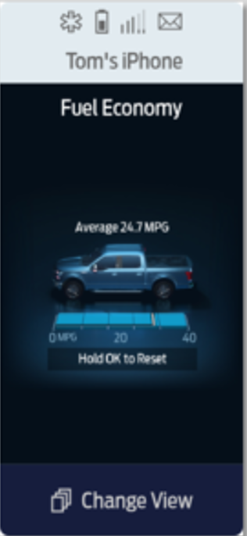
 |  |  |  |  |  |  |  | SYNC preliminary graphic |  | Cluster Graphic
 |  |  |  |  |  |  |  |  | Lx

 | 1 | System Interface (DI Core) |  |  |  |  |  |  | Non xEV mode |  | In Electric Driving
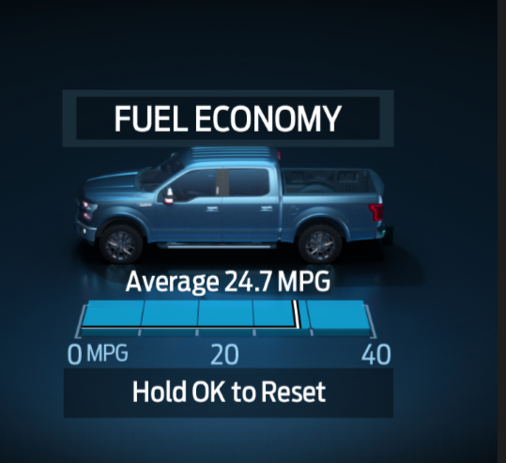
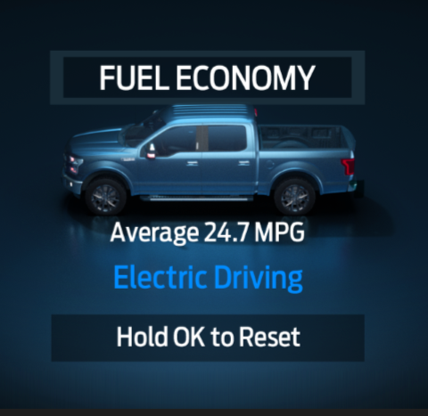

IPC
SYNC

 | 1 | Power Assumptions
 |  | a) | Shown in Ignition RUN or RUN/START
 |  | b) | In ignition OFF/ACC would be greyed out
 |  |  |  |  |  |  |  |  | L2
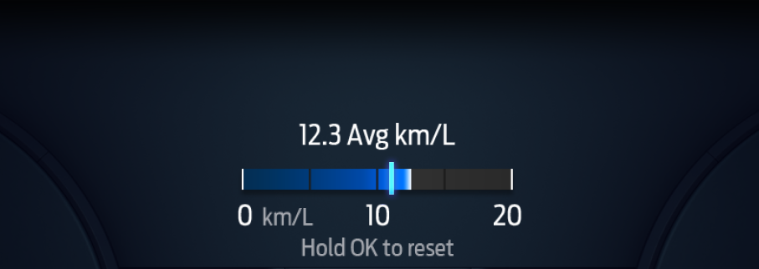
 | 1 | Display Elements

 |  | a) | Fuel Economy
 |  |  | i) | IoD Title: | Fuel Economy

 |  |  | ii) | Long Term Average Fuel Economy (since the last time customer performed a Fuel Economy RESET)
 |  |  |  | 1) | Display in MPG or km/L or L/100km depending on Customer setting(ie tied to global unit setting)
 |  |  |  | 2) | Total Digits to protect for: XZ.Z (non xEV application) and XZ (xEV applications)
 |  |  |  | 3) | Units are translatable
 |  |  |  | 4) | This value could also be configured to show Fuel/hour information (Typically in China/Europe)
 |  |  |  |  | a) | Total Digits to protect for: XZ.Z (non xEV application) and XZ (xEV applications) |  |  | L1
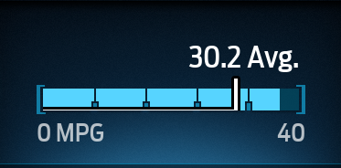
 |  |  |  |  | b) | Display in L/hr or gal/hr depending on Customer setting(ie tied to global unit setting)
 |  |  |  |  | c) | This information typically shown instead of IFE bar chart at idle

 |  |  | ii) | Instantaneous Fuel Economy
 |  |  |  | 1) | Dynamic fill bar
 |  |  |  |  | a) | Dynamically fills left to right (both for Non Arabic and Arabic HMI)
 |  |  |  | 2) | Range values (taken from cluster feature STSS)

 |  |  |  | · The default range for the bar graphs above shall be 0 – 30 mpg and 0 – 30 L/100km (and 20 km/L) for trucks (P).
 |  |  |  | · The default range for the bar graphs above shall be 0 – 40 mpg and 0 – 30 L/100km (and 20 km/L) for midsize cars and crossovers/SUV’s (C/D, D, S, U).
 |  |  |  | · The default range for the bar graphs above shall be 0 – 50 mpg and 0 – 30 L/100km (and 30 km/L) for small cars (B-cars).
 |  |  |  | · The default range for the bar graphs above shall be 0 – 60 mpg and 0 – 12 L/100km (and 30 km/L) for car HEVs.
 |  |  |  | · When a program supports both diesel and gas variants, HMI shall expect to provide 2 ranges for the bar graphs, where the default range for diesel variants should be 10 mpg higher than the corresponding gas variants.
 |  |  |  | 3) | Unit within the scale is determined by what is set in global unit setting
 |  |  |  |  | a) | Can be shown in MPG or km/L or L/100km
 |  |  |  | 4) | Indication is shown on the scale to indicate Long Term Average fuel economy

 |  |  |  | 5) | Cluster sends via CAN the max indicated value for the Instantaneous Fuel Economy bar graph

 |  |  |  | 6) | For xEV (non BEV) vehicles, instantaneous Fuel Economy bar graphic is replaced with the text in blue "Electric Driving" when in electric mode

 |  |  | v) | Method to Reset Fuel Economy Long Term Average Fuel Economy value
 |  |  |  | 1) | Configurable item. Some programs will have the ability to Reset IOD via SYNC others will not.
 |  |  |  |  | a) | P702 SYNC will not Reset IoD (due to IoD also in the cluster which will have the Reset)
 |  |  |  |  | b) | C727 SYNC will Reset IoD(due to no IoD in cluster)

 | 2 | Reference Cluster STSS
 |  | a) | Fuel Economy (AFE, AFE Histogram, IFE, LT FE, DC FE, MyKey FE) Function – CGEA 1.3
 |  |  | https://www.vsemweb.ford.com/tc/launchapp?-attach=true&-s=226TCSession&-o=XFP5Wnv7x3NrTD&servername=Production_Server

 | 3 | CAN Data |  |  | (DI Core)

 | 4 | Configuration |  |  | (SYNC)
 |  | a) | Fuel Economy is configurable IoD
 |  | b) | RESET feature is configurable, configured ON when Cluster does not show same IoD

 | 5 | Questions
 |  | a) | If SYNC does the reset, does it need to send that to the cluster ?
 |  | b) | Is fill planned to have different color for different drive modes like cluster? |  |  |  | different colors are not planned for the cluster (as previosuly assumed)
 |  | c) | Do we protect for china idle fuel economy information?
 |  | d) | What chaplet assumption should be taken when max indicated value is dynamic?
 |  | e) | Where should the midpoint indicated value be shown on the chaplet or between chaplets ?

Off Road
Off Road Information On Demand Screen

 |  |  |  |  |  | SYNC preliminary graphic | Cluster Graphic

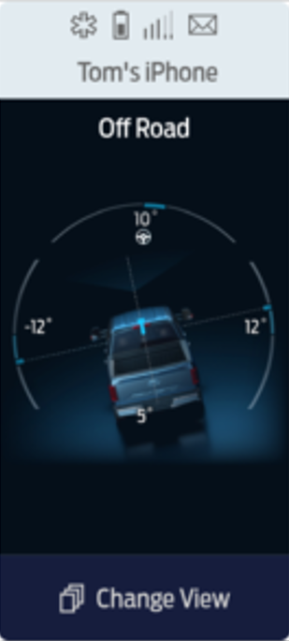
 | 1 | System Interface (DI Core)
 |  |  |  |  |  |  | Lx

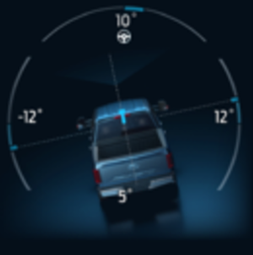
 |  |  | No Cluster interface
IPC
SYNC

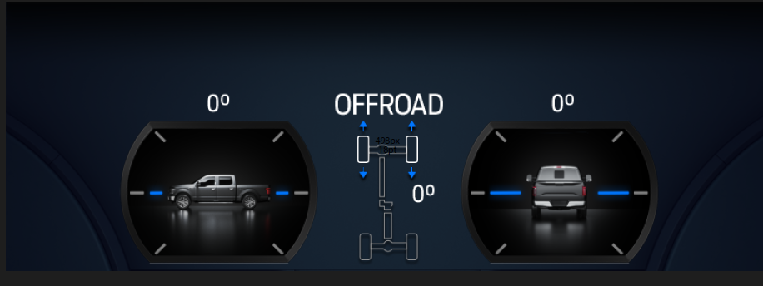
 |  |  |  |  |  |  | L2
 | 1 | Power Assumptions
 |  | a) | Shown in Ignition RUN or RUN/START
 |  | b) | In ignition OFF/ACC would be greyed out

 | 1 | Display Elements

 |  | a) | Off Road
 |  |  | i) | IoD Title: | Off Road

 |  |  | ii) | Steering Angle
 |  |  |  | 1) | Shown in unit of degress (symbol)
 |  |  |  | 2) | Display in digits of -XZ to XZ (if X is a leading zero, it is omitted)
 |  |  |  | 3) | Steering wheel icon placed next to steering angle to differentiate content on this IoD
 |  |  |  | 4) | If CAN signal indicates fault, remove degree symbol, steering angle icon, and leave blank

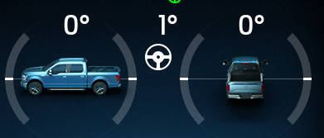
 |  |  | iii) | Pitch |  |  | L1
 |  |  |  | 1) | Shown in unit of degress (symbol)
 |  |  |  | 2) | Display in digits of -XZ to XZ (if X is a leading zero, it is omitted)
 |  |  |  | 3) | If CAN signal indicates fault, remove degree symbol and leave blank

 |  |  | iv) | Roll
 |  |  |  | 1) | Shown in unit of degress (symbol)
 |  |  |  | 2) | Display in digits of -XZ to XZ (if X is a leading zero, it is omitted)
 |  |  |  | 3) | If CAN signal indicates fault, remove degree symbol and leave blank

 |  |  | v) | Inclinometer
 |  |  |  | 1) | Shown in unit of degress (symbol)
 |  |  |  | 2) | Display in digits of -XZ to XZ (if X is a leading zero, it is omitted)
 |  |  |  | 3) | If CAN signal indicates fault, remove degree symbol and leave blank

 |  |  | vi) | Vehicle graphic
 |  |  |  | 1) | Vehicle graphic will be specific to specific vehicle line

 | 2 | Reference Cluster STSS
 |  | a) | Off Road STSS
 |  |  | https://www.vsemweb.ford.com/tc/launchapp?-attach=true&-s=226TCSession&-o=nJP5Wnv7x3NrTDAAAAAAAAAAAAA&servername=Production_Server

 | 3 | CAN Data |  |  | (DI Core)

 |  | SYNC gets information (not from Cluster)

 | 4 | Configuration |  |  | (SYNC)
 |  | a) | This is optional IoD (ie not every program gets this IoD)

 | 5 | Questions
 |  | a) | Confrim graphic should be same as cluster ?
 |  | b) | Title should be all caps like cluster ?

U725 Off Road
U725 Off Road Information On Demand Screen

 |  |  |  |  |  | SYNC preliminary graphic | Cluster Graphic
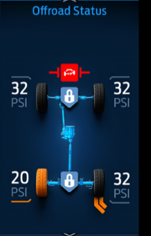
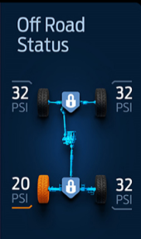
 | 1 | System Interface (DI Core)

 |  |  | No Cluster interface
IPC
SYNC

 | 1 | Power Assumptions
 |  | a) | Shown in Ignition RUN or RUN/START
 |  | b) | In ignition OFF/ACC would be greyed out

 | 1 | Display Elements |  | (examples of each element can be found in the STSS link below)

 |  | a) | Off Road
 |  |  | i) | IoD Title: | "Off Road" (Name to be determined, currently discussion with vehicle program)

 |  |  | ii) | 4x4 drive line status
 |  |  |  | a) | 4x2 Mode
 |  |  |  | b) | 4x4 High
 |  |  |  | c) | 4x4 Low
 |  |  |  | d) | 4x4 Auto

 |  |  | iii) | eLocker status
 |  |  |  | a) | Front/Rear ON/OFF/Standby
 |  |  |  | b) | Rear ON/OFF/Standby
 |  |  |  | c) | Front ON/OFF/Standby

 |  |  | iv) | ORTA Status
 |  |  |  | a) | Turn to Left - ORTA Active
 |  |  |  | b) | Turn to Right - ORTA Active
 |  |  |  | c) | Standby state

 |  |  | v) | Stay Bar Active Status
 |  |  |  | a) | ON
 |  |  |  | b) | OFF (no indication)
 |  |  |  | c) | Standby (grey indication)
 |  |  |  | d) | Fault (red indication)

 |  |  | vi) | TPMS Low Tire Pressure
 |  |  |  | i) | Current pressure per wheel (numeric and unit indication)
 |  |  |  | ii) | Shown when there is a low tire pressure condition
 |  |  |  | iii) | Indication of which wheel is low
 |  |  |  | iv) | units: psi(###),kPa(###),bar(#.#)

 | 2 | Reference Cluster STSS
 |  | a) | Off Road IoD Display – U725 Specific - CGEA 1.3 STSS
 |  |  | https://www.vsemweb.ford.com/tc/launchapp?-attach=true&-s=226TCSession&-o=8afxN6Pbx3NrTDAAAAAAAAAAAAA&servername=Production_Server

 | 3 | CAN Data |  |  | (DI Core)

 |  | SYNC gets information (not from Cluster)

 | 4 | Configuration |  |  | (SYNC)
 |  | a) | This is optional IoD (ie not every program gets this IoD) (As example, 4x2 vehicles do not have this IoD)

 | 5 | Questions
 |  | a) | Colors of different states?
 |  | b) | Title of the IoD

U725 Pitch_Roll
U725 Pitch and Roll Information On Demand Screen

 |  |  |  |  |  |  | SYNC preliminary graphic | Cluster Graphic

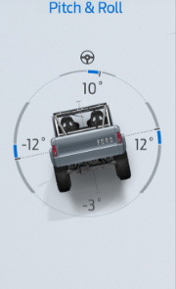
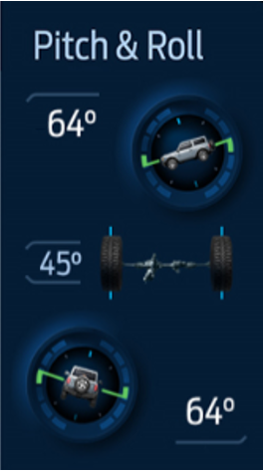
 | 1 | System Interface (DI Core)

 |  |  | No Cluster interface
IPC
SYNC

 | 1 | Power Assumptions
 |  | a) | Shown in Ignition RUN or RUN/START
 |  | b) | In ignition OFF/ACC would be greyed out

 | 1 | Display Elements

 |  | a) | Off Road
 |  |  | i) | IoD Title: | "Pitch and Roll" (Name to be determined, currently discussion with vehicle program)

 |  |  | ii) | Tire Wheel Angle
 |  |  |  | 1) | Shown in unit of degress (symbol)
 |  |  |  | 2) | Display in digits of XZ (if X is a leading zero, it is omitted)
 |  |  |  | 3) | Tire wheel graphic changes with different Tire Wheel angle
 |  |  |  |  | a) | Wheel angle graphic follows wheel angle direction
 |  |  |  | 4) | If CAN signal indicates fault, remove degree symbol, icon, and leave blank
 |  |  |  | 5) | Steering wheel icon should not be referenced

 |  |  | iii) | Pitch
 |  |  |  | 1) | Shown in unit of degress (symbol)
 |  |  |  | 2) | Display in digits of XZ (if X is a leading zero, it is omitted)
 |  |  |  | 3) | If CAN signal indicates fault, remove degree symbol and leave blank
 |  |  |  | 4) | Graphic follows direction of Pitch

 |  |  | iv) | Roll
 |  |  |  | 1) | Shown in unit of degress (symbol)
 |  |  |  | 2) | Display in digits of XZ (if X is a leading zero, it is omitted)
 |  |  |  | 3) | If CAN signal indicates fault, remove degree symbol and leave blank
 |  |  |  | 4) | Graphic follows direction of Roll

 |  |  | v) | Vehicle graphic
 |  |  |  | 1) | Vehicle graphic will be specific to specific vehicle line

 | 2 | Reference Cluster STSS
 |  | a) | Vehicle Steering Angle, Pitch and Roll IoD Display – CGEA 1.3 STSS
 |  |  | https://www.vsemweb.ford.com/tc/launchapp?-attach=true&-s=226TCSession&-o=EOZxd_UFx3NrTDAAAAAAAAAAAAA&servername=Production_Server

 | 3 | CAN Data

 |  | SYNC gets information (not from Cluster)

 | 4 | Configuration |  |  | (SYNC)
 |  | a) | This is optional IoD (ie not every program gets this IoD)

 | 5 | Questions
 |  | a) | Colors of different states?
 |  | b) | Title of the IoD

ECO Behavior
ECO Behavior Information On Demand Screen

 |  |  |  |  |  |  |  |  |  | SYNC preliminary graphic |  | Cluster Graphic

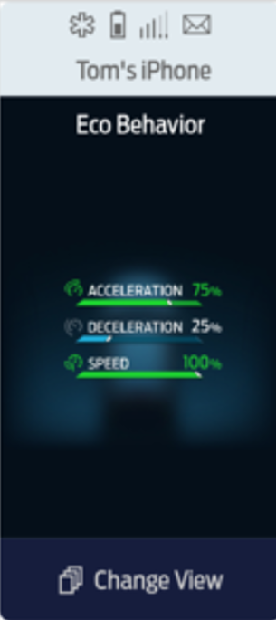
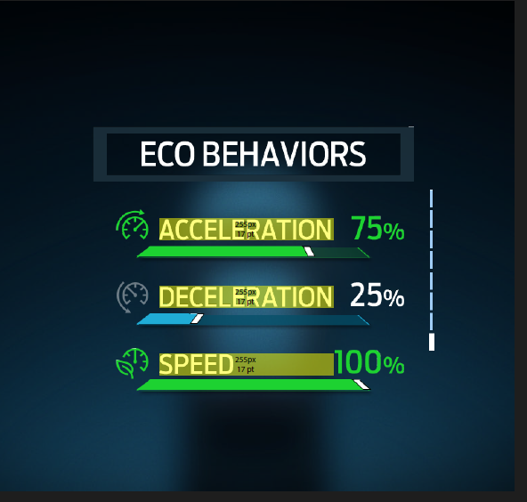
 | 1 | System Interface (DI Core) |  |  |  |  |  |  |  |  |  |  |  | Changes
 |  |  |  |  |  |  |  |  |  |  | Lx |  | a) | white if under 75 or green when you are over 75
 |  |  | No Cluster interface

IPC
SYNC

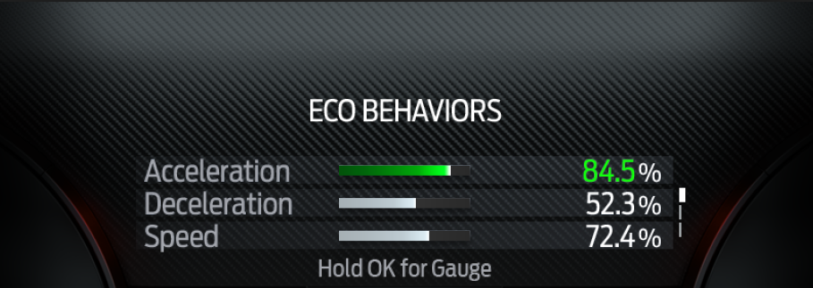
 | 1 | Power Assumptions |  |  |  |  |  |  |  |  | L2
 |  | a) | Shown in Ignition RUN or RUN/START
 |  | b) | In ignition OFF/ACC would be greyed out

 | 1 | Display Elements

 |  | a) | ECO Behavior
 |  |  | i) | IoD Title: | ECO Behavior

 |  |  | ii) | Acceleration
 |  |  |  | 1) | Percentage indication 0 to 100%
 |  |  |  |  | a) | Percentage number and percent sign turn to green when >75 % |  |  |  |  | L1
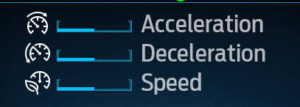
 |  |  |  | 2) | Dynamic fill bar
 |  |  |  |  | a) | dynamically fills left to right (Non arabic HMI) or right to left (Arabic HMI)
 |  |  |  |  | b) | Green Color when score is >75
 |  |  |  |  | c) | Base SYNC theme color when score is =<75 |  |  | (this changes depending on drive mode)
 |  |  |  |  |  | i) | Base SYNC theme could be different between day/night/program

 |  |  |  | 3) | Icon change color to green when >75%, and neutral(SYNC theme dependent) when =< 75%

 |  |  | iii) | Deceleration
 |  |  |  | 1) | Percentage indication 0 to 100%
 |  |  |  |  | a) | Percentage number and percent sign turn to green when >75 %
 |  |  |  | 2) | Dynamic fill bar
 |  |  |  |  | a) | dynamically fills left to right (Non arabic HMI) or right to left (Arabic HMI)
 |  |  |  |  | b) | Green Color when score is >75
 |  |  |  |  | c) | Base SYNC theme color when score is =<75 |  |  | (this changes depending on drive mode)
 |  |  |  |  |  | i) | Base SYNC theme could be different between day/night/program

 |  |  |  | 3) | Icon change color to green when >75%, and neutral(SYNC theme dependent) when =< 75%

 |  |  | vi) | Speed
 |  |  |  | 1) | Percentage indication 0 to 100%
 |  |  |  |  | a) | Percentage number and percent sign turn to green when >75 %
 |  |  |  | 2) | Dynamic fill bar
 |  |  |  |  | a) | dynamically fills left to right (Non arabic HMI) or right to left (Arabic HMI)
 |  |  |  |  | b) | Green Color when score is >75
 |  |  |  |  | c) | Base SYNC theme color when score is =<75 |  |  | (this changes depending on drive mode)
 |  |  |  |  |  | i) | Base SYNC theme could be different between day/night/program

 |  |  |  | 3) | Icon change color to green when >75%, and neutral(SYNC theme dependent) when =< 75%

 | 2 | Reference Cluster STSS
 |  | a) | ECO Coach Control Function and HMI
 |  |  | https://www.vsemweb.ford.com/tc/launchapp?-attach=true&-s=226TCSession&-o=zMaZumvjx3NrTDAAAAAAAAAAAAA&servername=Production_Server

 | 3 | CAN Data |  |  | (DI Core)

 |  | SYNC gets information (not from Cluster)

 | 4 | Configuration |  |  | (SYNC)
 |  | a) | This is optional IoD and would need configuration to show or not show

 | 5 | Questions
 |  | a) | Confirm graphic should be same as cluster ?
 |  | b) | Title should be all caps like cluster ?
 |  | c) | Is fill planned to have different color for different drive modes like cluster? |  |  |  |  | Not planned

